PIRADS Definitions_3
Tumor Zone | PI-RADS | Definition of Sequence in This Column

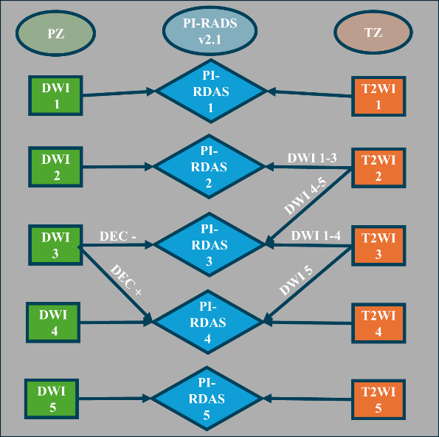
Transitional Zone | PI-RADS 1=T2WI score 1 | T2WI score 1 =homogeneous , intermediate signal intensity, or a round, completely encapsulated nodule (“typical nodule”)

 | PI-RADS 2 = T2WI score = 2 and DWI score =1-3 | T2WI score 2 = A mostly encapsulated nodule or a homogeneous circumscribed nodule without encapsulation (“atypical nodule”) or a homogeneous mildly hypo-intense area between nodules

 |  | DWI score = 1 : No abnormality (i.e. normal) on ADC and high b-value DWI

 |  | DWI score 2 = Linear/wedge-shaped hypo-intense on ADC and/or linear/wedge-shaped hyper-intense on high b-value DWI Non-focal hypo-intense on ADC and/or hyper-intense on high b-value DWI

 | PI-RADS 3 = T2WI score = 3 and DWI score =1-4 or T2WI score =2 and DWI score =4-5 | DWI score 3 = Focal hypointense on ADC and/or focal hyperintense on high b-value DWI; may be markedly hypointense on ADC or markedly hyperintense on high b-value DWI, but not both | Fig. 1. (Middle) PI-RADS v2.1 (Prostate Imaging–Reporting and Data System) is a structured reporting system for multiparametric prostate MRI, used to assess prostate cancer. (Left) Examples of PI-RADS scores 1 to 5 in the Peripheral Zone (PZ). (Right) Examples of PI-RADS scores 1 to 5 in the Transition Zone (TZ). DWI: Diffusion-weighted imaging, DCE: Dynamic contrast-enhanced imaging, T2WI: T2-weighted imaging.

 |  | T2WI score 3 = Heterogeneous signal intensity with obscured margins. Includes others that do not qualify as 2, 4, or 5

 |  | DWI score 1-3 has been explained above.

 |  | DWI score 4 = Focal, markedly hypo-intense on ADC and markedly hyper-intense on high b-value DWI; <1.5cm in greatest dimension

 |  | DWI score 5 = Same as 4 but ≥1.5cm in greatest dimension or definite extra-prostatic extension/invasive behavior

 |  | T2WI score 2 has been explained in PI-RADS 2.

 | PI-RADS 4 = (T2WI score 4 ) or ( T2WI score 3 and DWI score 5 ) | T2WI score 4 = Lenticular or non-circumscribed, homogeneous, moderately hypo-intense, and <1.5 cm in greatest dimension

 |  | T2WI score 3 and DWI score 5 has been explained in PI-RADS 3.

 | PI-RADS 5 | T2WI score 5 = Same as 4, but ≥ 1.5cm in greatest dimension or definite extra-prostatic extension/invasive behavior

Tumor Zone | PI-RADS of Column | Definition of Sequences in This Column

Peripheral Zone | PI-RADS 1= DWI score 1 | DWI score 1 = No abnormality (i.e. normal) on ADC and high b-value DWI

 | PI-RADS 2 = DWI score 2 | DWI score 2 = Linear/wedge-shaped hypo-intense on ADC and/or linear/wedge-shaped hyper-intense on high b-value DWI

 | PI-RADS 3 = DWI score 3 and DCE negative | DWI score 3 = Focal hypo-intense on ADC and/or focal hyper-intense on high b-value DWI; may be markedly hypo-intense on ADC or markedly hyper-intense on high b-value DWI, but not both.

 |  | DCE negative = No early or contemporaneous enhancement; or diffuse multifocal enhancement not corresponding to a focal finding on T2W and/or DWI or focal enhancement corresponding to a lesion demonstrating features of BPH on T2WI (including features of extruded BPH in the PZ)

 | PI-RADS 4 = (DWI score 4) or (DWI score 3 and DCE positive) | DWI score 4 is = Focal markedly hypo-intense on ADC and markedly hyper-intense on high b-value DWI; <1.5cm in greatest dimension

 |  | DCE positive = Focal/ earlier than or contemporaneously with enhancement of adjacent normal prostatic tissues; corresponds to suspicious finding on T2W and/or DWI

 |  | DWI score 3 has been explained in PI-RADS 3.

 | PI-RADS 5 = DWI score 5 | DWI score 5 = Same as 4 but ≥1.5cm in greatest dimension or definite extr-aprostatic extension/invasive behavior

